1. Title Page
Grocery Basket Analysis

Project Name: Instacart Grocery Basket Analysis
Date: 9/2/2022
Analyst Name: Dana Loewen

Contents:
Population Flow
Consistency checks
Wrangling steps
Column derivations
Visualizations
Recommendations

Data Source:
“The Instacart Online Grocery Shopping Dataset 2017”, Accessed from https://www.instacart.com/datasets/grocery-shopping-2017 on [date].
Note: Customer data and prices column data were fabricated for learning purposes.

2. Population Flow
Title page

Population flow

Exclusion flag
Condition: max_order < 5
Obervations to be removed: 1,441,570
Final total count of order_products_all: 30,993,489

Orders_products_combined
Orders_products_merged
Orders_products_all

Total: 32,435,070
Total: 32,434,489
Total: 32,435,059

1.) The grey boxes in the first row of the population flow represent the original data sets as they were when you downloaded them. In the Total fields you need to add the count of the rows when you imported the data set into Jupyter.
2.) The second row of boxes (coloured) represents the data sets after you manipulated them, e.g., removed missing values and duplicates. In the Total fields you need to add the count of the rows after conducting these operations. This offers a visual oveview of how the data flows throughout the data consistency checks.
3.) The third row, where also the arrows are coloured, represents the merges you performed between the datasets. In the Total fields you need to add the count of the rows in the merged datasets, so that you end up with the final dataset (in the red box). Keep in mind the final dataset should be without exclusions (based on the exclusion flag).

3. Consistency checks
 |  |  |  | Title page
Consistency checks

Dataset | Missing values | Missing values treatment | Duplicates
orders | 206,209 | keep
products | 16 | remove | 5
orders_products_prior
customers

4. Wrangling steps
 |  |  |  | Title page
Wrangling steps

Columns dropped | Columns renamed | Columns' type changed | Comment/Reason
eval_set |  |  | not needed
 | order_dow : orders_day_of_week |  | better readability
 |  | order_id : string | ID is not a calculable number
 |  | user_id : string | ID is not a calculable number
 | days_since_prior_order : days_since_last_order |  | better readability
first_name |  |  | removing PII
Surnam |  |  | removing PII
Gender |  |  | not needed
date_joined |  |  | not needed
 | STATE : state |  | consistant capitalization
 | Age : age |  | consistant capitalization
 | n_dependants : number_of_dependents |  | readability
 | fam_status |  | readability

5. Column derivations
 |  |  |  | Title page

Column derivations and aggregations

In this tab you should add tables below that the frequences of flags/label variables that you produced after deriving them. NB: don't do this for continuous variables, only for flags.
Dataset | New column | Column/s it was derived from | Conditions
orders | new_customer | days_since_last_order | If days_since_last_order is null, new_customer is True.
orders_products_merged | price_range_loc | prices | prices > 15 = High-range product, prices <= 15 & >5 = Mid-range product, prices <= 5 = Low-range product
orders_products_merged | busiest_day | orders_day_of_week | If 0 = Busiest day, if 4 = Least busy, else Regularly busy
orders_products_merged | busiest_days | orders_day_of_week | If 0 or 1 = Busiest days, if 3 or 4 = Least busy, else Regularly busy
orders_products_merged | busiest_period_of_day | order_hour_of_day | 9-16 = Most orders, 0-6, 23 = Fewest orders, 7-8, 17-22 = Average orders
orders_products_merged | max_order | user_id, order_number | group by user _id and max of order_number
orders_products_merged | loyalty_flag | max_order | If max_order > 40 = Loyal customer, < = 40 & > 10 = Regular customer, <= 10 = New customer
orders_products_merged | avg_spent | user_id, prices | group by user _id and average of prices
orders_products_merged | spender_flag | avg_spent | If avg_spent < 10 = Low spender, >= 10 High spender
orders_products_merged | order_frequency | user_id, days_since_last_order | Group by user_id and median of days_since_last_order
orders_products_merged | order_frequency_flag | order_frequency | If order_frequency > 20 Non-frequent customer, <= 20 & > 10 = Regular customer, <= 10 = Frequent customer
orders_products_all | region | state | Regions northeast, midwest, south, and west as defined by Wikipedia article

6. Visualizations
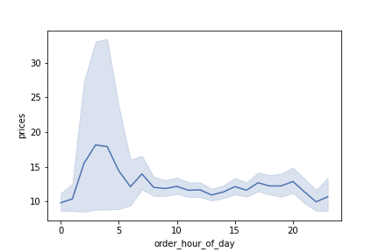
 |  |  |  |  | Title page

Visualisations
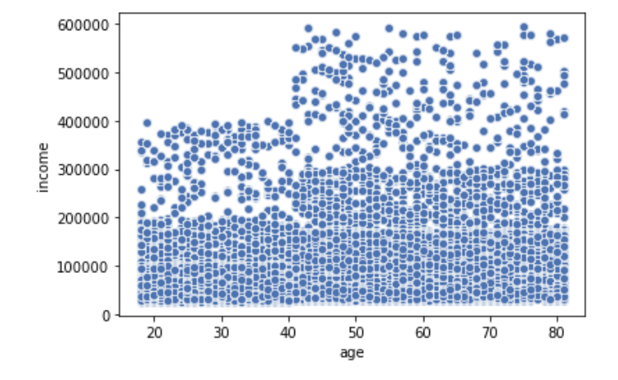
In this tab you should include all the visualtions from Exercises 4.9 and 4.10, alongside the questions from the project brief that they answer. Include any commentary on the relationship between different variables.

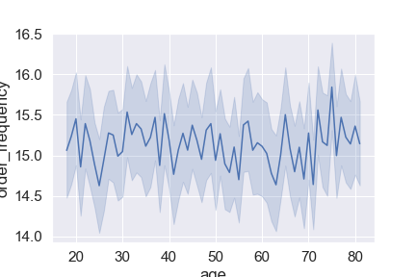
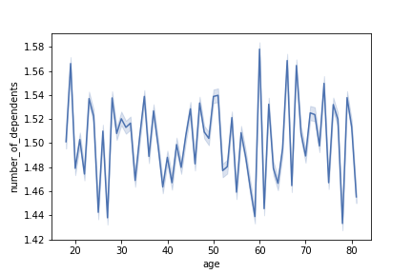
 |  |  |  |  |  |  |  |  | This scatterplot shows the relationship between age and income.
 |  |  |  |  |  |  |  |  | All ages have incomes under 200,000, but after age 40 many have incomes up to 300,000. |  |  |  | This line chart shows the relationship between prices and the hour of the day.
These two crosstabs show the differences in high spenders and low spenders by region. |  |  |  | This line chart shows the age of customers compared to the number of dependents they have. |  |  |  |  | Few of any age have incomes above 300,000. |  |  |  | It answers Question 2.
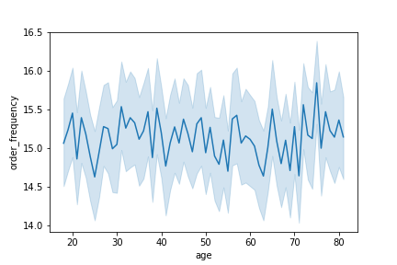
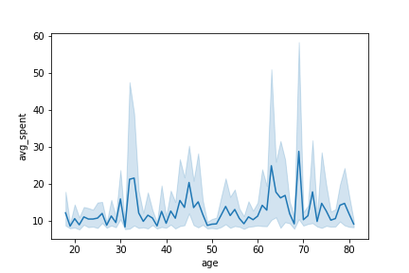
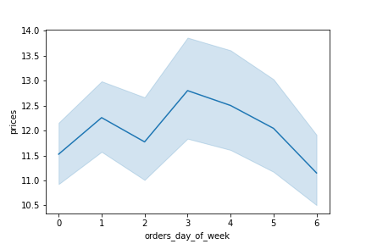
The one on the right shows the numbers normallized so you can see that the proportions are the same. |  |  |  | There is no relationship.
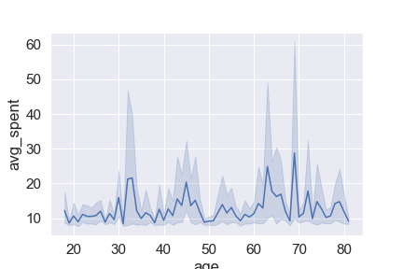
These crosstabs were used to answer Question 7.

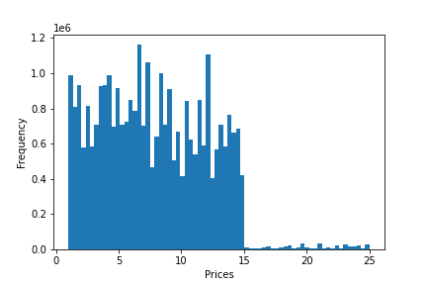

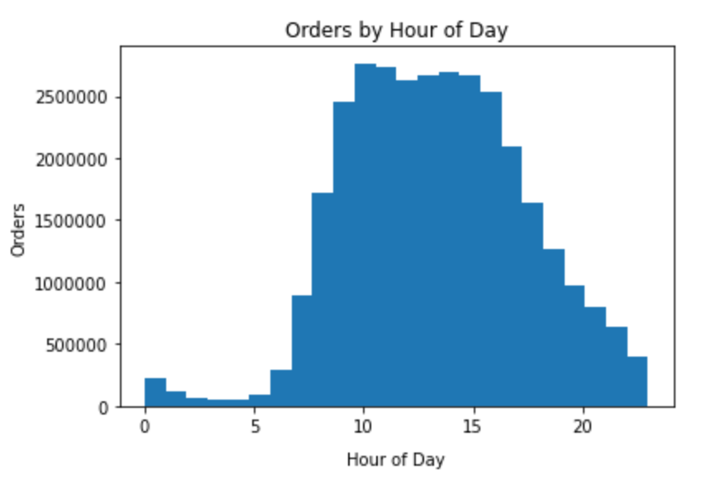

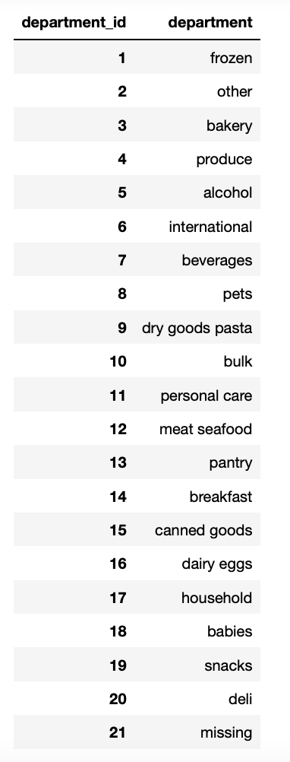

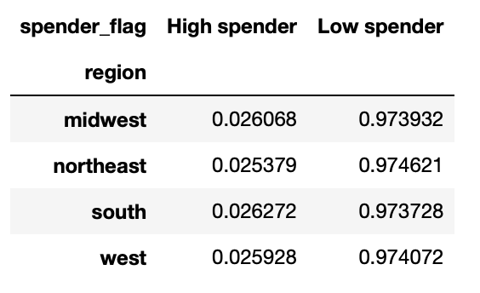

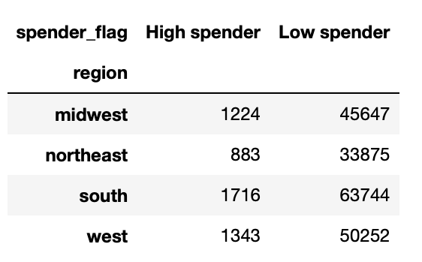
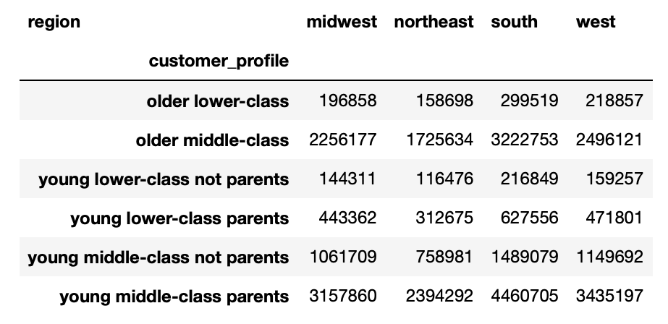
This crosstab shows customer frequency compared to loyalty.
The largest group is regular customers who are frequent customers.
This was used to answer Question 6.

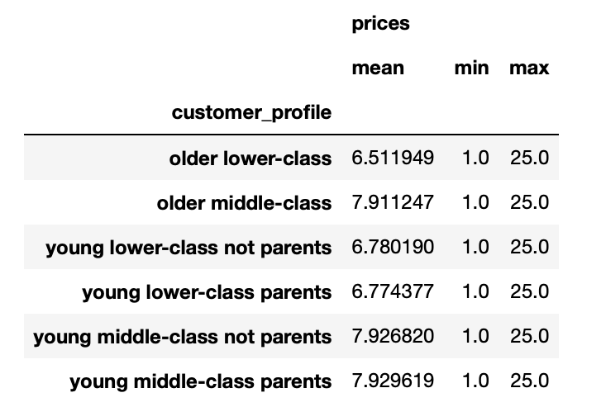

 |  |  |  |  |  | This line chart shows that there is no relationship between age and order frequency. |  |  |  | This line chart shows that there is no relationship between age and average spent. |  |  |  | This line chart shows the relationship between the day of the week and prices.
 |  |  |  |  |  | This and the line chart to the right were used to answer Question 8.
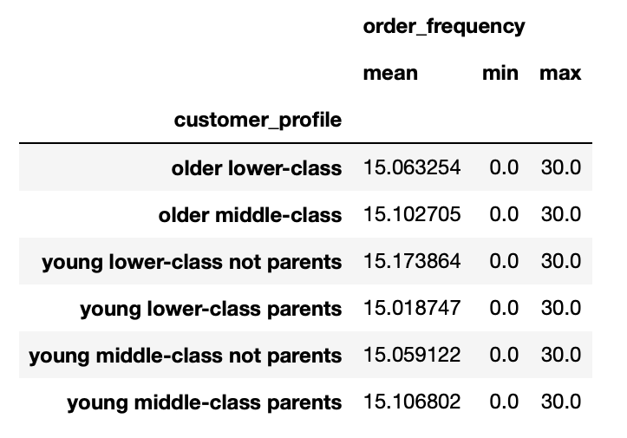

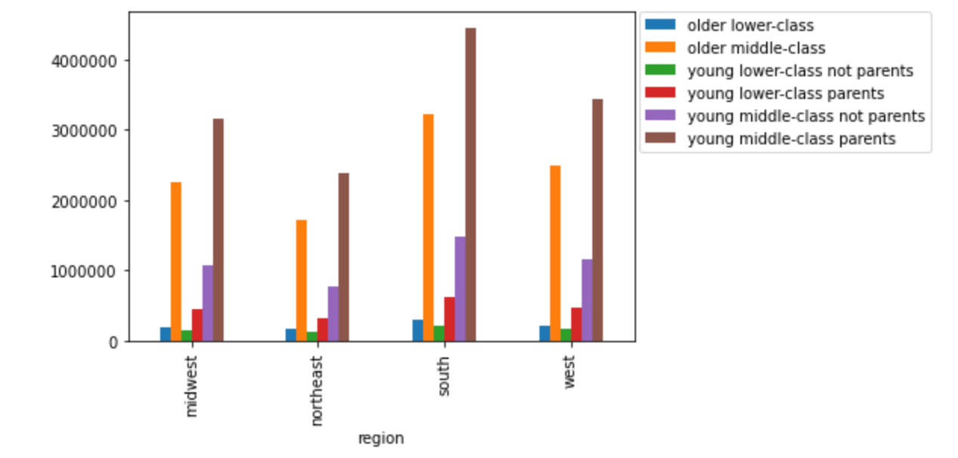

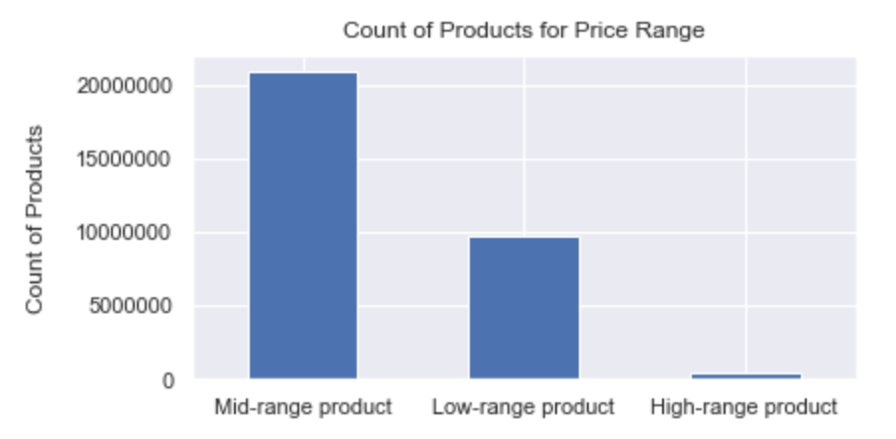

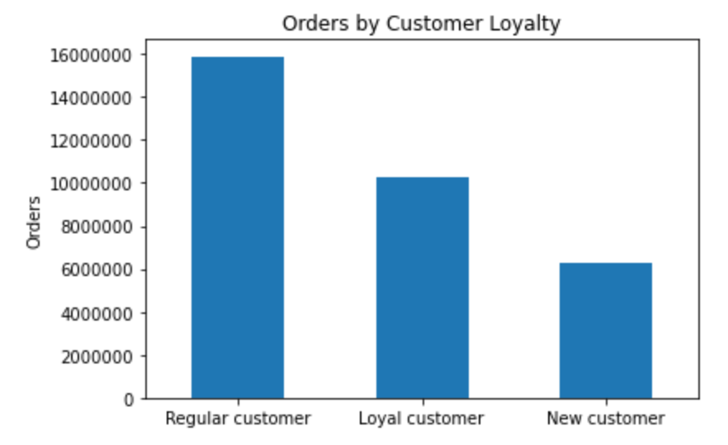

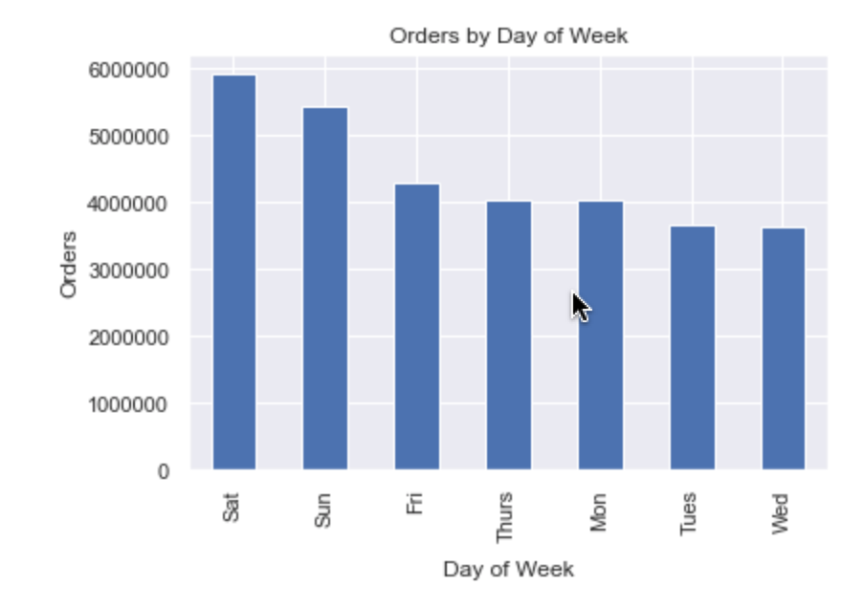

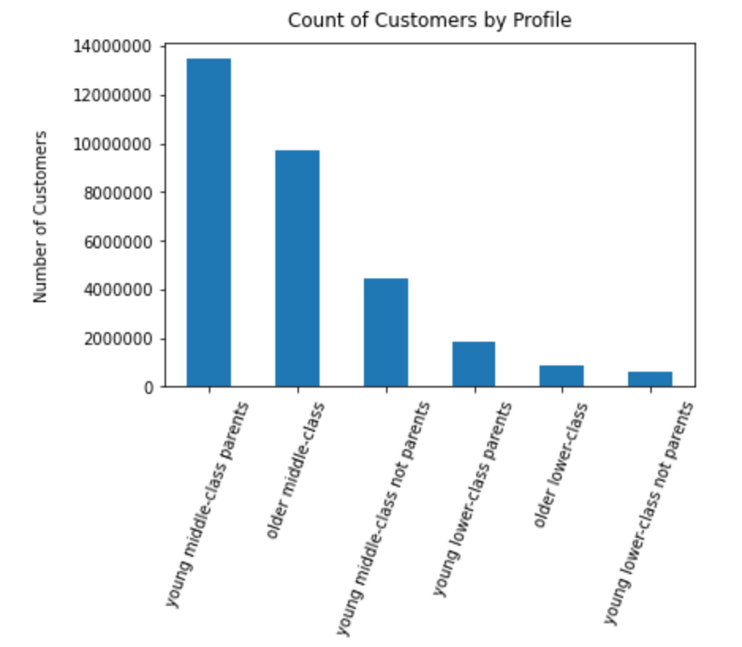
This crosstab shows how many from each customer profile belong to each region. | This shows the relationship between the customer profiles and the prices of the items they bought.
When shown in the bar chart, it's evident that the proportions are relatively the same. | While the averages are higher for those with higher incomes, it's not a large difference.
This was used to answer Question 10 | This was used to answer Question 10

 |  |  | The list to the left is used to show the IDs for each department since it is too long to fit on a chart. |  |  |  |  | This histogram shows the frequency of the prices of items.
 |  |  | It is used in Question 4, |  |  |  |  | The majority of items are less than $15. |  |  |  | This histogram shows the frequency of orders by the hour of the day.
 |  |  | and Question 10. |  |  |  |  |  |  |  |  | It shows that most orders are during the middle of the day, around 8 a.m. to 4 p.m.
 |  |  |  |  |  |  |  |  |  |  |  | This is used to answer Question 1.

This shows the relationship between order frequency and customer profile.
There is very little difference.
This was used to answer Question 10

 |  |  | This bar chart shows how many products are in each price range. About 2/3 of products
 |  |  | are mid-range, and about 1/3 are low-range. Very few are high-range.
 |  |  | This is used for Question 3. |  |  |  | This bar chart shows how many orders were made by customer loyalty group.
 |  |  |  |  |  |  | Regular customers made the most orders, but this may be because there are more regular customers.
 |  |  |  |  |  |  | This is used in Question 5.

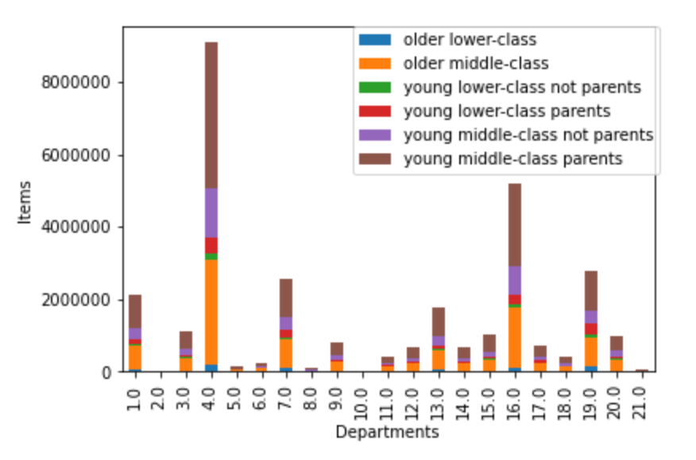
 |  |  |  |  |  |  |  |  |  |  |  | This bar chart shows how many orders were made each day of the week.
 |  |  |  |  |  |  |  |  |  |  |  | More orders are made during the weekend.
 |  |  |  |  |  |  |  |  |  |  |  | This is used to answer Question 1.

 |  |  |  |  |  |  |  |  | This stacked bar chart shows items from which departments are bought most frequently, and the customer profile.
 |  | This bar chart shows how many customers are in each region, grouped by customer profile. |  |  |  |  |  |  | It shows that the items bought most are produce and dairy/eggs. |  | (see department ID list)
 |  | It shows that more customers are in the south and that the proportions of each profile are relatively the same. |  |  |  |  |  |  | It is used in Question 4,
 |  | This was used to answer Question 10 |  |  |  |  |  |  | and Question 10.

This shows how many customers belong to each customer profile I made.
The profiles are determined by income, age, and number of dependents.
The largest group is young middle-class parents, followed by older middle-class.
This is used to answer Question 9.

7. Recommendations
 |  |  | Title page

Recommendations

In this tab you should include any recommendations you would made to Instcart in terms of their marketing strategy based on the questions posed in the brief. Every key question has been covered in the Tasks of the Exercises - here you need to add an item - a visualisation or table/crosstable that is showing the answer in the data, acompanied by a comment from you. Please, list the questions below and add the answer underneath.

Question | Answer
Key Question 1 : What are the busiest days of the week? What are the busiest hours of the day? |  | As seen on the chart to the left, the busiest days of the week are Saturday , followed by Sunday. The least busy days are Wednesday , followed by Tuesday. As seen on the chart to the right, the busiest hours are around 10 a.m. to 4 p.m. and the least busy hours are around midnight to 6 a.m.
Key Question 2 : What hours of the day do customers spend the most money? |  | Customers spend the most money between 1 a.m. and 5 a.m., however as seen in the previous chart, there are much fewer orders during that time. So while they might spend more money in each order at that time, there are much fewer orders being made.
Key Question 3 : How can the products be grouped according to price ranges? |  | This shows mid-range products in blue, defined as <= 15 & >5; low-range products in green, defined as <= 5; and high-range products in purple, defined as >15.
Key Question 4 : Which types of products are the most popular? |  | The most popular products are produce (4) and dairy/eggs (16).
Key Question 5 : What’s the distribution among users in regards to their brand loyalty (i.e., how often do they return to Instacart)? |  | This chart shows the distribution of orders according to loyalty_flag. If max_order > 40 = Loyal customer, < = 40 & > 10 = Regular customer, <= 10 = New customer
Key Question 6 : Are there differences in ordering habits based on a customer’s loyalty status? |  | You would expect that the Loyal customers would also be the Frequent customers, but Regular customer and Frequent customer have the most crossover. It's not a very big difference though.
Key Question 7 : Are there differences in ordering habits based on a customer’s region? |  | When you compare the percentage of each region in the high spender and low spender groups, they are the same, meaning there is the same portion of high and low spending in each region.
Key Question 8 : Is there a connection between age and family status in terms of ordering habits? |  | Different ages do have differences in amounts spent. Customers under 30 spend less than anyone older. Age 60-70 have the highest spending. Comparisons between order frequency and age, and in number of dependents and order frequency and spending do not show any significant trends.
Key Question 9 : What different classifications does the demographic information suggest? Age? Income? Certain types of goods? Family status? |  | These are the distribultion of customers based on different classifications. Note: Customers with incomes over 500,000 were so few that they were not included. Categories-- Young middle-class parents = income between 50,000 and 500,000, age < 60, and number of dependents >= 1. Young lower-class parents = income <50,000, age <60, number of dependents>=1. Older middle-class = income between 50,000 and 500,000 and age >= 60. Older lower-class = age >= 60 and income < 50,000. Young middle-class not parents = income between 50,000 and 500,000 and age < 60 and dependents <1. Young lower-class not parents = income <50,000, age < 60 and dependents <1.
Key Question 10 : What differences can you find in ordering habits of different customer profiles? Consider the price of orders, the frequency of orders, the products customers are ordering, and anything else you can think of.

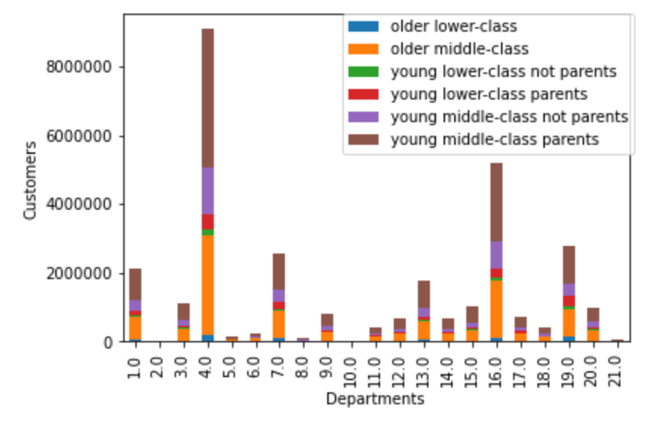

The wealthy do spend the most on average, but keep in mind that there are much fewer wealthy than any other demographic. I would still recommend on focusing ads on the middle-class, especially young middle-class parents, since they make up the largest group as seen in the chart for Question 9. | Customer profiles don't vary much by region. | Order frequency is the same on average for all groups.

 |  |  | All customer demographics bought produce and eggs/dairy the most.

